Sheet1
 |  | Document No. | Issue No. | Issue Date |  | Review and Replace Date |  | Authorised By
 |  | GFF025MC | 3 | 31.10.2018 |  | 13.10.2021 |  | Magda Shah
 |  | Document Title | 7 Chicken Goujon with Garlic Mayo Dip 350g
Document amendments reason for change |  | Garlic Mayo dip changed to Piquant and tray change |  |  | Page 1 of 1 | Previous Issue Date | 09.10.2020 | Uncontrolled copy unless signed original

COOK DAY + 18 DAYS
CCGOU-2R1TEB | BOOTHS - XMAS |  | 7 CHICKEN GOUJONS WITH GARLIC MAYO 350g
STEP 1 |  |  |  |  | STEP 2
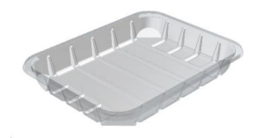 |  |  |  |  | 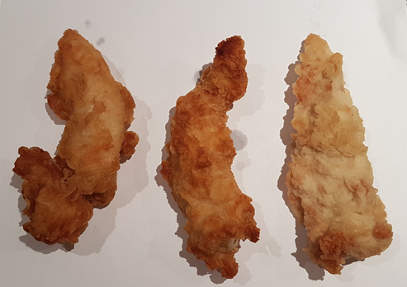

DEFROST DAY + 16 DAYS

Tray: C5E CLEAR (PKHOL001-07) |  |  |  |  | 7 x Chicken Goujons (GFF152R) 310g
Film: ME410AFV2, 410mm wide x 1000m (PKPRO001-12)
STEP 3 |  |  |  |  | STEP 4
 |  |  |  |  | 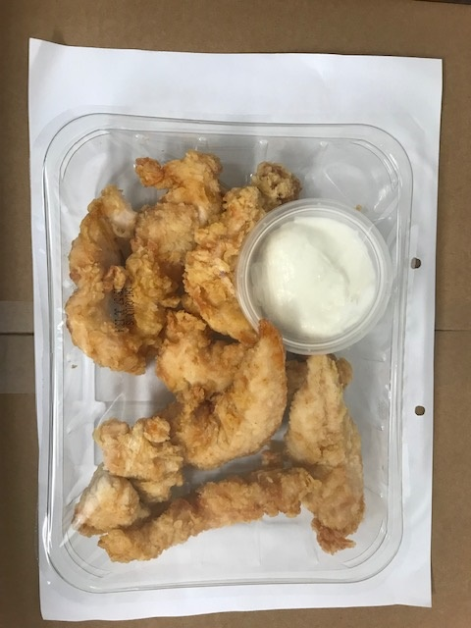

Garlic Mayonnaise (RMPIQ001-03) 40g |  |  |  |  | TOTAL WEIGHT: 350g
2oz PP Clear Pots (PKJEN001-01) and 2oz Clear Lid (PKJEN001-02)
ALLERGY ALERT: EGG, MUSTARD, WHEAT

